Jaarverslag
JAARVERSLAG VVE Sichemstraat 5-6 te Rotterdam
 | Begroting 2021 | Explotatie 2021 | Begroting 2022 | Explotatie 2022 | Begroting 2023 | Explotatie 2023 | per 31 december 2023
ONTVANGSTEN |  |  |  |  |  |  | Debet |  | Credit
Bijdrage eigenaren | € 7,245.00 | € 6,701.52 | € 7,788.00 | € 7,788.27 | € 7,788.29 | € 7,889.12 | Saldo betaalrekening | € 18,171.47 | Reserve algemeen | € 8,725.59
Extra bijdrage |  |  |  |  |  |  | Saldo spaarrekening | € 8,025.91 | Toevoeging dit jaar | € 1,000.00 | + | 2021
Rente | € 0.00 | € 0.00 | € 0.00 | € 0.00 | € 0.00 | € 63.58 | Saldo kas | € 0.00 |  |  | € 9,725.59 | 4081.34
Verzekering |  |  |  |  |  |  | Debiteuren | € 0.00 | Reservefonds | € 12,545.85 |  | 6701.52
Totaal ontvangen | € 7,245.00 | € 6,701.52 | € 7,788.00 | € 7,788.27 | € 7,788.29 | € 7,952.70 |  |  | Toevoeging dit jaar | € 3,925.94 | +
UITGAVEN |  |  |  |  |  |  |  |  |  |  | € 16,471.79
Verzekering | € 1,500.00 | € 2,253.49 | € 2,250.00 | € 2,153.45 | € 2,250.00 | € 1,980.23 |  |  | Exploitatiesaldo |  | € 0.00
Portiekverlichting | € 150.00 | € 139.91 | € 150.00 | € 0.00 | € 150.00 |  |  |  | Crediteuren |  | € 0.00
Schoonmaken portiek | € 700.00 | € 760.98 | € 700.00 | € 783.90 | € 700.00 | € 802.03 |  | € 26,197.38 |  |  | € 26,197.38
Waterlevering | € 0.00 |  | € 0.00 |  | € 0.00
 |  |  |  |  |  |  | per 31 december 2022
Administratiekosten | - |  | - |  | - |  | Debet |  | Credit
Portkosten |  |  |  |  |  |  | Saldo betaalrekening | € 13,309.11 | Reserve algemeen | € 7,725.59
Giro/bankkosten | € 120.00 | € 122.66 | € 123.00 | € 175.98 | € 123.00 | € 244.50 | Saldo spaarrekening | € 7,962.33 | Toevoeging dit jaar | € 1,000.00 | +
Diversen | € 20.00 |  | € 20.00 | € 34.78 | € 20.00 | € 0.00 | Saldo kas | € 0.00 |  |  | € 8,725.59
Reparatie/onderhoud | € 1,000.00 | € 804.30 | € 1,000.00 | € 0.00 | € 1,000.00 | € 0.00 | Debiteuren | € 0.00 | Reservefonds | € 9,678.40
Groot onderhoud | - |  | - |  | - |  |  |  | Toevoeging dit jaar | € 2,867.45 | +
Reservering onderhoud/Reservefonds | € 3,755.00 | € 2,620.18 | € 3,545.00 | € 4,640.16 | € 3,545.29 | € 4,925.94 |  |  |  |  | € 12,545.85
 | - |  | - |  | - |  |  |  | Exploitatiesaldo |  | € 0.00
Exploitatiesaldo | € 0.00 | € 0.00 | € 0.00 | € 0.00 | € 0.00 | € 0.00 |  |  | Crediteuren |  | € 0.00
Totale uitgaven | € 7,245.00 | € 6,701.52 | € 7,788.00 | € 7,788.27 | € 7,788.29 | € 7,952.70 |  | € 21,271.44 |  |  | € 21,271.44

Salso betaalrek 31/12 |  | € 8,898.30 |  | € 13,309.11 |  | € 18,171.47 | per 31 december 2021
Saldo Spaar 31/12 |  | € 7,962.33 |  | € 7,962.33 |  | € 8,025.91 | Debet |  | Credit
 |  |  |  |  |  |  | Saldo betaalrekening | € 8,898.30 | Reserve algemeen | € 6,725.59
 |  |  |  |  |  |  | Saldo spaarrekening | € 7,962.33 | Toevoeging dit jaar | € 1,000.00 | +
 |  |  |  |  |  |  | Saldo kas | - |  |  | € 7,725.59
 |  |  |  |  |  |  | Debiteuren | € 543.36 | Reservefonds | € 7,243.15
 |  |  |  |  |  |  |  |  | Toevoeging dit jaar | € 2,435.25 | +
 |  |  |  |  |  |  |  |  |  |  | € 9,678.40
 |  |  |  |  |  |  |  |  | Exploitatiesaldo |  | € 0.00
 |  |  |  |  |  |  |  |  | Crediteuren |  | € 0.00
 |  |  |  |  |  |  |  | € 17,403.99 |  |  | € 17,403.99

 |  |  |  |  |  |  | Debet |  | Credit
 |  |  |  |  |  |  | Saldo betaalrekening | € 9,167.27 | Reserve algemeen | € 3,789.32
 |  |  |  |  |  |  | Saldo spaarrekening | € 462.33 | Toevoeging dit jaar | € 13,309.11
 |  |  |  |  |  |  | Saldo kas | - |  |  | € 5,725.59
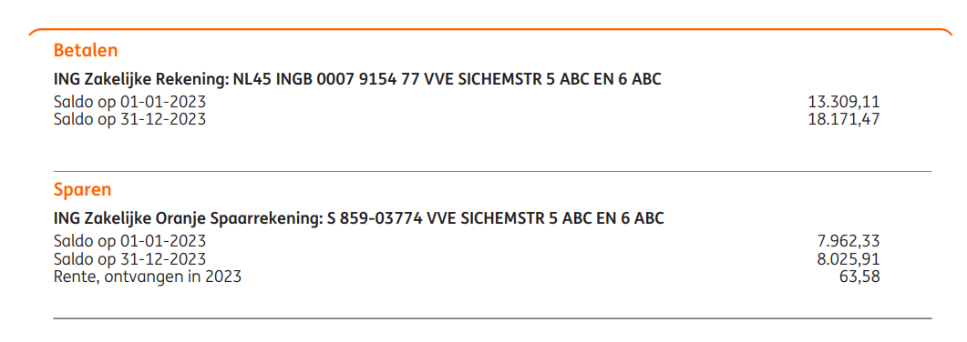
 |  |  |  |  |  |  | Debiteuren | € 271.71 | Reservefonds
 |  |  |  |  |  |  |  |  | Toevoeging dit jaar
 |  |  |  |  |  |  |  |  |  |  | € 4,175.72
 |  |  |  |  |  |  |  |  | Exploitatiesaldo |  | € 0.00
 |  |  |  |  |  |  |  |  | Crediteuren |  | € 0.00
 |  |  |  |  |  |  |  | € 9,901.31 |  |  | € 9,901.31

